Sheet1
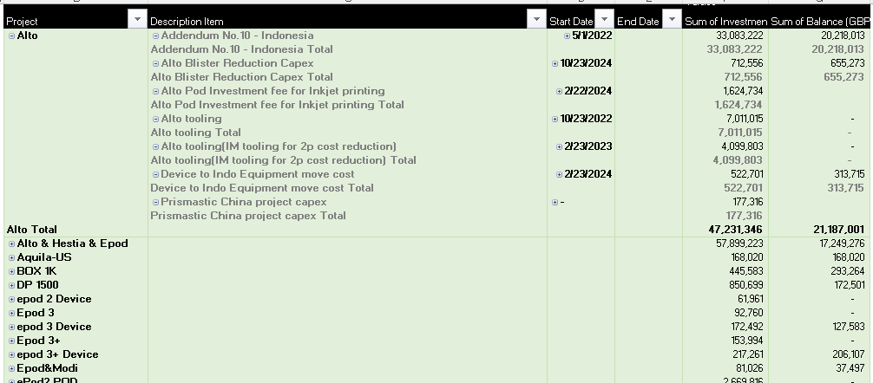
Background color code:#0E2B63 |  | Spend="Spend Track (part)"-> "R+O" * "S" |  | Supplier：F column | Tooling Spending:="O"*"S"
 |  | Category refer to "Category" ("book5" : "A" column) |  | Commodity：H column | Material Usage(kg): =Y* S /1000
 |  | Project：B column |  | Parts Spending="R"*"S" | Material type:W
 |  |  |  |  | Material supplier: Z
 |  | Mechanical Spending - Overall

 |  | £m Total Spending | 8 Projects | 25 Mechanical Suppliers | 10 Material Suppliers

 |  | Spending Trend | Spending by Commodity | Spending Breakdown | Usage by Material Supplier
2024
2023
2022

Parts
Toolings

 |  | Spending by Project | Spending by Top 15 Supplier |  | Usage by Material Type (Top10)

 |  | Capex Spending:Capex tracker->"S" | Supplier：F column | Liability Balance:Spend Track (part)->V column
 |  | Capex Year: "P" | Tool type：O column | Supplier：F column
 |  | Category refer to "Category" ("book5" : "A" column) |  | Project：B column
 |  | Project：B column | Tool Stage: I column | Finish%:
 |  | Mechanical Capex and Liability

 |  | £m Total Capex | 8 Projects | £m Total Liability Balance | 8 Projects

 |  | Capex YoY Invest | Capex by Supplier | Liability balance Trend | Amortization Progress by Project

 |  | Capex by Project
 |  |  | Capex by Tool type | Liability Breakdown by Project
 |  |  |  |  | Amortization Progress by Supplier

 |  | Capex by Tool Stage
 |  |  |  | Liability Breakdown by Supplier

 | Capax 工作表 | Total Capex: S |  | Capex Project：C列
 |  | Capex YOY Invest :取O列年份做横轴，纵轴是Total Capex |  | Capex Status：AG列
 |  | Capex by Portfolio： K列

 |  | Projec:C列 | Start Day: O列 | Sum of Investment: S 列
 |  | Description: D列 | End Day: P列 | Sum of Balance: AD列 | 如果AD值<0, 则显示0 （都分摊完了，就不分摊了，显示0即可）
 |  | Vapour Capex and Liability

 |  | £m Total Capex |  | £m Remaining Liability

 |  | Capex YoY Invest | Capex by Portfolio | Capex by Type | Capex Status

